ISS reports summary
Cumulative cases w/ symptom onset or diagnosis/swab date and cumulative reported cases. Source: ISS.
 | cumulative incidence of cases w/ symptom onset date | cumulative incidence of cases w/ diagnosis/swab date | cumulative reported cases
2020-03-09 | 0 | 0 | 0
2020-03-10 | 4555 | 7812 | 8342
2020-03-11
2020-03-12
2020-03-13 | 8331 | 13323 | 13882
2020-03-14
2020-03-15
2020-03-16
2020-03-17 | 13601 | 24346 | 25028
2020-03-18 | 16181 | 27224 | 28293
2020-03-19 | 17389 | 30722 | 31772
2020-03-20 | 18966 | 34927 | 35731
2020-03-21 | 21157 | 39981 | 42220
2020-03-22 | 22993 | 46584 | 48452
2020-03-23 | 28330 | 50246 | 52796
2020-03-24 | 29603 | 55059 | 57989
2020-03-25 | 31959 | 59203 | 62844
2020-03-26 | 34371 | 64130 | 67814
2020-03-27 | 37403 | 70418 | 73780
2020-03-28 | 44204 | 76714 | 79968
2020-03-29 | 46704 | 82510 | 85308
2020-03-30 | 48525 | 87038 | 89967
2020-03-31 | 53084 | 90972 | 94312
2020-04-01 | 55280 | 95077 | 98716
2020-04-02 | 57951 | 98500 | 102669
2020-04-03 | 60313 | 101994 | 106399
2020-04-04 | 63084 | 107342 | 112401
2020-04-05 | 65145 | 111692 | 117050
2020-04-06 | 70012 | 116363 | 120290
2020-04-07 | 71354 | 120570 | 124527
2020-04-08 | 73040 | 123801 | 127790
2020-04-09 | 75897 | 127642 | 131751
2020-04-10 | 77927 | 131995 | 136110
2020-04-11 | 77878 | 133700 | 139377
2020-04-12 | 81792 | 139347 | 143199
2020-04-13 | 82648 | 142425 | 146321
2020-04-14 | 83817 | 146233 | 150189
2020-04-15
2020-04-16 | 86392 | 151212 | 155467
2020-04-17 | 87954 | 155133 | 159107
2020-04-18 | 90191 | 157904 | 162004
2020-04-19
2020-04-20
2020-04-21 | 93188 | 165282 | 169325
2020-04-22
2020-04-23 | 95815 | 169779 | 173730
2020-04-24 | 97568 | 173325 | 177143
2020-04-25 | 109766 | 179451 | 183269
2020-04-26
2020-04-27
...
day of week | date | time | cumulative incidence of cases w/ symptom onset date | cumulative incidence of cases w/ diagnosis/swab date | cumulative reported cases | cumulative reported deaths
Mon | 2020-03-09 | 16:00:00 | 4555 | 7812 | 8342 | 357
Tue | 2020-03-10 | 16:00:00
Wed | 2020-03-11 | 16:00:00
Thu | 2020-03-12 | 16:00:00 | 8331 | 13323 | 13882 | 803
Fri | 2020-03-13 | 16:00:00
Sat | 2020-03-14 | 16:00:00
Sun | 2020-03-15 | 16:00:00
Mon | 2020-03-16 | 16:00:00 | 13601 | 24346 | 25028 | 1647
Tue | 2020-03-17 | 16:00:00 | 16181 | 27224 | 28293 | 2003
Wed | 2020-03-18 | 16:00:00 | 17389 | 30722 | 31772 | 2390
Thu | 2020-03-19 | 16:00:00 | 18966 | 34927 | 35731 | 3047
Fri | 2020-03-20 | 16:00:00 | 21157 | 39981 | 42220 | 3200
Sat | 2020-03-21 | 16:00:00 | 22993 | 46584 | 48452 | 3770
Sun | 2020-03-22 | 16:00:00 | 28330 | 50246 | 52796 | 4465
Mon | 2020-03-23 | 16:00:00 | 29603 | 55059 | 57989 | 5019
Tue | 2020-03-24 | 16:00:00 | 31959 | 59203 | 62844 | 5542
Wed | 2020-03-25 | 16:00:00 | 34371 | 64130 | 67814 | 6157
Thu | 2020-03-26 | 16:00:00 | 37403 | 70418 | 73780 | 6801
Fri | 2020-03-27 | 16:00:00 | 44204 | 76714 | 79968 | 7590
Sat | 2020-03-28 | 16:00:00 | 46704 | 82510 | 85308 | 8460
Sun | 2020-03-29 | 17:00:00 | 48525 | 87038 | 89967 | 9220
Mon | 2020-03-30 | 18:00:00 | 53084 | 90972 | 94312 | 10026
Tue | 2020-03-31 | 19:00:00 | 55280 | 95077 | 98716 | 10943
Wed | 2020-04-01 | 16:00:00 | 57951 | 98500 | 102669 | 11857
cumulative reported deaths. Source: ISS.
 | cumulative reported deaths
2020-03-09 | 357
2020-03-10
2020-03-11
2020-03-12 | 803
2020-03-13
2020-03-14
2020-03-15
2020-03-16 | 1647
2020-03-17 | 2003
2020-03-18 | 2390
2020-03-19 | 3047
2020-03-20 | 3200
2020-03-21 | 3770
2020-03-22 | 4465
2020-03-23 | 5019
2020-03-24 | 5542
2020-03-25 | 6157
2020-03-26 | 6801
2020-03-27 | 7590
2020-03-28 | 8460
2020-03-29 | 9220
2020-03-30 | 10026
2020-03-31 | 10943
2020-04-01 | 11857
2020-04-02 | 12550
2020-04-03 | 13241
2020-04-04 | 13828
2020-04-05 | 14381
2020-04-06 | 14860
2020-04-07 | 15751
2020-04-08 | 16162
2020-04-09 | 16654
2020-04-10 | 17364
2020-04-11 | 17916
2020-04-12 | 18366
2020-04-13 | 18641
2020-04-14
2020-04-15 | 19508
2020-04-16 | 19996
2020-04-17 | 20531
2020-04-18
2020-04-19
2020-04-20 | 21551
2020-04-21
2020-04-22 | 22586
2020-04-23 | 23188
2020-04-24 | 23576
2020-04-25
2020-04-26
2020-04-27 | 24780
...
Thu | 2020-04-02 | 16:00:00 | 60313 | 101994 | 106399 | 12550
Fri | 2020-04-03 | 16:00:00 | 63084 | 107342 | 112401 | 13241
Sat | 2020-04-04 | 16:00:00 | 65145 | 111692 | 117050 | 13828
Sun | 2020-04-05 | 16:00:00 | 70012 | 116363 | 120290 | 14381
Mon | 2020-04-06 | 16:00:00 | 71354 | 120570 | 124527 | 14860
Tue | 2020-04-07 | 16:00:00 | 73040 | 123801 | 127790 | 15751
Wed | 2020-04-08 | 16:00:00 | 75897 | 127642 | 131751 | 16162
Thu | 2020-04-09 | 16:00:00 | 77927 | 131995 | 136110 | 16654
Fri | 2020-04-10 | 16:00:00 | 77878 | 133700 | 139377 | 17364
Sat | 2020-04-11 | 16:00:00 | 81792 | 139347 | 143199 | 17916
Sun | 2020-04-12 | 16:00:00 | 82648 | 142425 | 146321 | 18366
Mon | 2020-04-13 | 16:00:00 | 83817 | 146233 | 150189 | 18641
Tue | 2020-04-14 | 16:00:00
Wed | 2020-04-15 | 16:00:00 | 86392 | 151212 | 155467 | 19508
Thu | 2020-04-16 | 16:00:00 | 87954 | 155133 | 159107 | 19996
Fri | 2020-04-17 | 16:00:00 | 90191 | 157904 | 162004 | 20531
Sat | 2020-04-18 | 16:00:00
Sun | 2020-04-19 | 16:00:00
Mon | 2020-04-20 | 16:00:00 | 93188 | 165282 | 169325 | 21551
Tue | 2020-04-21 | 16:00:00
Wed | 2020-04-22 | 16:00:00 | 95815 | 169779 | 173730 | 22586
Thu | 2020-04-23 | 16:00:00 | 97568 | 173325 | 177143 | 23188
Fri | 2020-04-24 | 16:00:00 | 109766 | 179451 | 183269 | 23576
Sat | 2020-04-25 | 16:00:00
Sun | 2020-04-26 | 16:00:00
Mon | 2020-04-27 | 16:00:00 | 118063 | 193301 | 197096 | 24780
Tue | 2020-04-28 | 16:00:00 | 125629 | 195715 | 199470 | 25215
Wed | 2020-04-29 | 16:00:00
Thu | 2020-04-30 | 16:00:00 |  |  | 203545 | 25855
Fri | 2020-05-01 | 16:00:00 | 125955 | 201077 | 204576 | 26049
Sat | 2020-05-02 | 16:00:00
Sun | 2020-05-03 | 16:00:00
Mon | 2020-05-04 | 16:00:00 | 123955 | 205891 | 209254 | 26892
Tue | 2020-05-05 | 16:00:00
Wed | 2020-05-06 | 16:00:00 | 126168 | 209216 | 212532 | 27402
Thu | 2020-05-07 | 16:00:00 | 128038 | 210792 | 214103 | 27955
Fri | 2020-05-08 | 16:00:00 | 139566 | 212385 | 215665 | 28274
Sat | 2020-05-09 | 16:00:00
Sun | 2020-05-10 | 16:00:00
Mon | 2020-05-11 | 16:00:00 | 147572 | 215808 | 218997 | 28903
Tue | 2020-05-12 | 16:00:00
Wed | 2020-05-13 | 16:00:00 | 153006 | 218123 | 221133 | 29525
Thu | 2020-05-14 | 16:00:00
Fri | 2020-05-15 | 16:00:00 | 156673 | 220513 | 223095 | 29884
Sat | 2020-05-16 | 16:00:00

Italy cases by symptom onset da
Date | Day (category mi) | # of cases by symptom onset (frequency fi) | Accumulative # of cases | # of cases by symptom onset (frequency fi) - provisional | Accumulative # of cases - provisional | mifi | mifi provisional | (mi-μ)2fi | WebPlotDigitazer digitization software (https://apps.automeris.io/wpd/) has been used to digitize from pdf graph. The points were extracted manually. The fixed value error bar refers to bar extraction algorithm. Actual errors related to the manual process may differ. |  |  | Image size (px) h x v | 2101 | x | 1549 | val. min | -1006.9 | val. max | 6503.5 | ∆x= | irrelevant for manual extraction | px | ∆val= | 2 | px
2020-01-24 | 1 |  |  |  |  |  |  |  |  |  |  |  |  | val / px | 4.84854745 |  |  |  | Estimated Manual Extraction Error (EMEE) = |  |  |  | err. bar= | 10 | val x point
2020-01-25 | 2 |  |  |  |  |  |  |  | Sample size of the source | 156673 | Data source: | https://www.epicentro.iss.it/en/coronavirus/bollettino/Infografica_15maggio%20ENG.pdf |  |  |  |  |  |  | Estimated Axis Calibration Error (EACE) = |  |  |  | '' | '' | ''
Incidence of cases by symptom onset date from 24-jan to 15-may 2020. Source: ISS*. (*manual extraction from source data)
 | # of cases by symptom onset (frequency fi) | # of cases by symptom onset (frequency fi) - provisional
2020-01-24
2020-01-25
2020-01-26
2020-01-27 | 9
2020-01-28 | 5
2020-01-29 | 14
2020-01-30 | 14
2020-01-31 | 42
2020-02-01 | 23
2020-02-02 | 18
2020-02-03 | 18
2020-02-04 | 23
2020-02-05 | 18
2020-02-06 | 18
2020-02-07 | 9
2020-02-08 | 14
2020-02-09 | 60
2020-02-10 | 23
2020-02-11 | 42
2020-02-12 | 46
2020-02-13 | 65
2020-02-14 | 129
2020-02-15 | 79
2020-02-16 | 129
2020-02-17 | 162
2020-02-18 | 129
2020-02-19 | 388
2020-02-20 | 305
2020-02-21 | 388
2020-02-22 | 527
2020-02-23 | 679
2020-02-24 | 822
2020-02-25 | 790
2020-02-26 | 868
2020-02-27 | 1169
2020-02-28 | 1048
2020-02-29 | 2286
2020-03-01 | 1871
2020-03-02 | 2143
2020-03-03 | 1880
2020-03-04 | 2522
2020-03-05 | 2873
2020-03-06 | 3012
2020-03-07 | 3487
2020-03-08 | 4263
2020-03-09 | 5843
2020-03-10 | 4115
2020-03-11 | 4605
2020-03-12 | 4993
2020-03-13 | 4462
...
https://www.epicentro.iss.it/en/coronavirus/bollettino/Infografica_15maggio%20ENG.pdf
2020-01-26 | 3 |  |  |  |  |  |  |  | Sample size of the extracted ds | 156827
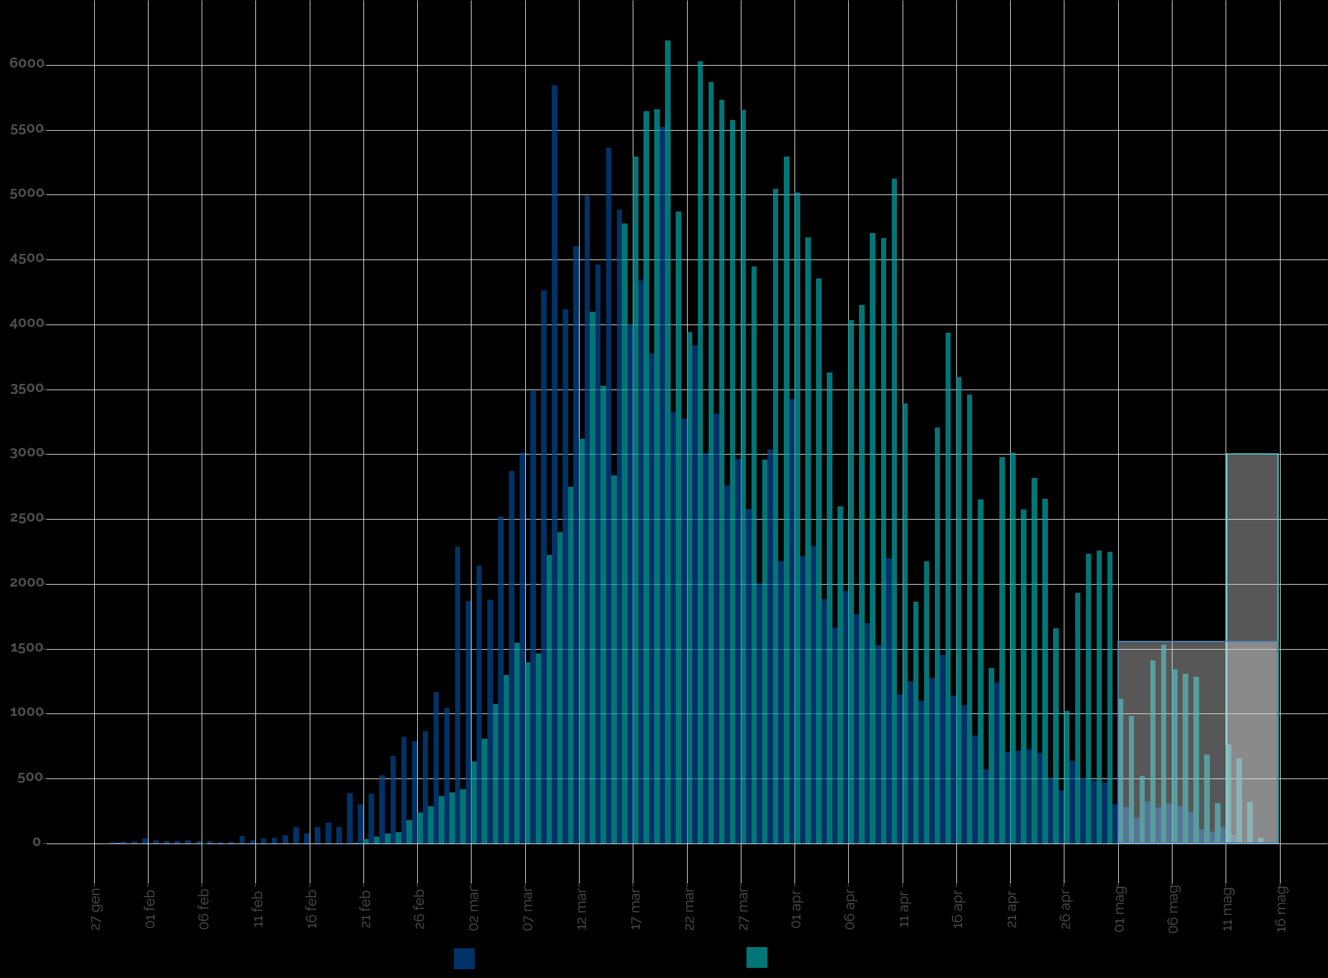
2020-01-27 | 4 | 9 | 9 |  |  | 37 |  | 25949 | Blue area sample size | 154476
2020-01-28 | 5 | 5 | 14 |  |  | 23 |  | 12490 | Grey area sample size | 2351
2020-01-29 | 6 | 14 | 28 |  |  | 83 |  | 36042
2020-01-30 | 7 | 14 | 42 |  |  | 97 |  | 34642 | Mean of extracted sample* | 58 | 2020-03-21
2020-01-31 | 8 | 42 | 83 |  |  | 333 |  | 99811 | Mean of blue area sample | 57 | 2020-03-20
2020-02-01 | 9 | 23 | 106 |  |  | 208 |  | 53210 | SD of blue area sample | 15
2020-02-02 | 10 | 18 | 125 |  |  | 185 |  | 40813 | (*the standard error of the sample mean (SEM) is negligible)
2020-02-03 | 11 | 18 | 143 |  |  | 203 |  | 39095 | Mode of blue area sample | 46 | 2020-03-09
2020-02-04 | 12 | 23 | 166 |  |  | 277 |  | 46767 | Median of blue area sample** | 55 | 2020-03-18
2020-02-05 | 13 | 18 | 185 |  |  | 240 |  | 35769 | (**approx. ± 1 day)
2020-02-06 | 14 | 18 | 203 |  |  | 259 |  | 34162
2020-02-07 | 15 | 9 | 212 |  |  | 139 |  | 16296
2020-02-08 | 16 | 14 | 226 |  |  | 222 |  | 23293
2020-02-09 | 17 | 60 | 286 |  |  | 1021 |  | 96074
2020-02-10 | 18 | 23 | 309 |  |  | 416 |  | 35127
2020-02-11 | 19 | 42 | 351 |  |  | 790 |  | 60028
2020-02-12 | 20 | 46 | 397 |  |  | 924 |  | 63233
2020-02-13 | 21 | 65 | 462 |  |  | 1358 |  | 83806
2020-02-14 | 22 | 129 | 591 |  |  | 2845 |  | 158430
2020-02-15 | 23 | 79 | 670 |  |  | 1806 |  | 90771
2020-02-16 | 24 | 129 | 799 |  |  | 3104 |  | 140841
2020-02-17 | 25 | 162 | 961 |  |  | 4042 |  | 165543
2020-02-18 | 26 | 129 | 1090 |  |  | 3363 |  | 124286
2020-02-19 | 27 | 388 | 1478 |  |  | 10476 |  | 349192
2020-02-20 | 28 | 305 | 1783 |  |  | 8536 |  | 256379
2020-02-21 | 29 | 388 | 2171 |  |  | 11252 |  | 304185
2020-02-22 | 30 | 527 | 2697 |  |  | 15797 |  | 383861
2020-02-23 | 31 | 679 | 3376 |  |  | 21048 |  | 458993
2020-02-24 | 32 | 822 | 4199 |  |  | 26309 |  | 513857
2020-02-25 | 33 | 790 | 4988 |  |  | 26065 |  | 454947
2020-02-26 | 34 | 868 | 5857 |  |  | 29524 |  | 459363
2020-02-27 | 35 | 1169 | 7025 |  |  | 40901 |  | 565598
2020-02-28 | 36 | 1048 | 8074 |  |  | 37746 |  | 462388
2020-02-29 | 37 | 2286 | 10360 |  |  | 84596 |  | 914550
2020-03-01 | 38 | 1871 | 12231 |  |  | 71085 |  | 675312
2020-03-02 | 39 | 2143 | 14374 |  |  | 83584 |  | 694393
2020-03-03 | 40 | 1880 | 16254 |  |  | 75196 |  | 543293
2020-03-04 | 41 | 2522 | 18776 |  |  | 103400 |  | 645617
Accumulative # of cases by symptom onset date from 24-jan to 15-may 2020. Source: ISS*. (*manual extraction from source data)
 | Accumulative # of cases | Accumulative # of cases - provisional
2020-01-24
2020-01-25
2020-01-26
2020-01-27 | 9
2020-01-28 | 14
2020-01-29 | 28
2020-01-30 | 42
2020-01-31 | 83
2020-02-01 | 106
2020-02-02 | 125
2020-02-03 | 143
2020-02-04 | 166
2020-02-05 | 185
2020-02-06 | 203
2020-02-07 | 212
2020-02-08 | 226
2020-02-09 | 286
2020-02-10 | 309
2020-02-11 | 351
2020-02-12 | 397
2020-02-13 | 462
2020-02-14 | 591
2020-02-15 | 670
2020-02-16 | 799
2020-02-17 | 961
2020-02-18 | 1090
2020-02-19 | 1478
2020-02-20 | 1783
2020-02-21 | 2171
2020-02-22 | 2697
2020-02-23 | 3376
2020-02-24 | 4199
2020-02-25 | 4988
2020-02-26 | 5857
2020-02-27 | 7025
2020-02-28 | 8074
2020-02-29 | 10360
2020-03-01 | 12231
2020-03-02 | 14374
2020-03-03 | 16254
2020-03-04 | 18776
2020-03-05 | 21649
2020-03-06 | 24661
2020-03-07 | 28148
2020-03-08 | 32411
2020-03-09 | 38254
2020-03-10 | 42370
2020-03-11 | 46975
2020-03-12 | 51968
2020-03-13 | 56430
...
https://www.epicentro.iss.it/en/coronavirus/bollettino/Infografica_15maggio%20ENG.pdf
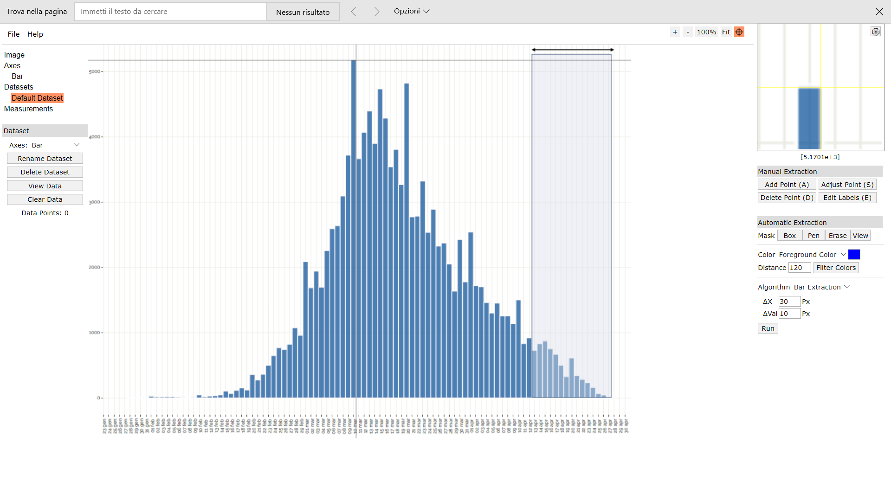
Digitizer example page
2020-03-05 | 42 | 2873 | 21649 |  |  | 120665 |  | 646420
2020-03-06 | 43 | 3012 | 24661 |  |  | 129497 |  | 590263
2020-03-07 | 44 | 3487 | 28148 |  |  | 153441 |  | 589353
2020-03-08 | 45 | 4263 | 32411 |  |  | 191848 |  | 613912
2020-03-09 | 46 | 5843 | 38254 |  |  | 268776 |  | 706998
2020-03-10 | 47 | 4115 | 42370 |  |  | 193427 |  | 411547
2020-03-11 | 48 | 4605 | 46975 |  |  | 221044 |  | 373012
2020-03-12 | 49 | 4993 | 51968 |  |  | 244661 |  | 319557
2020-03-13 | 50 | 4462 | 56430 |  |  | 223095 |  | 218633
2020-03-14 | 51 | 5363 | 61792 |  |  | 273492 |  | 193053
2020-03-15 | 52 | 4887 | 66679 |  |  | 254115 |  | 122171
2020-03-16 | 53 | 4000 | 70679 |  |  | 212000 |  | 64000
2020-03-17 | 54 | 4342 | 75021 |  |  | 234457 |  | 39076
2020-03-18 | 55 | 3778 | 78799 |  |  | 207806 |  | 15113
2020-03-19 | 56 | 5524 | 84323 |  |  | 309358 |  | 5524
2020-03-20 | 57 | 3326 | 87649 |  |  | 189561 |  | 0
2020-03-21 | 58 | 3275 | 90924 |  |  | 189940 |  | 3275
2020-03-22 | 59 | 3838 | 94762 |  |  | 226462 |  | 15353
2020-03-23 | 60 | 3007 | 97769 |  |  | 180416 |  | 27062
2020-03-24 | 61 | 3316 | 101085 |  |  | 202300 |  | 53062
2020-03-25 | 62 | 2762 | 103848 |  |  | 171252 |  | 69053
2020-03-26 | 63 | 2965 | 106813 |  |  | 186818 |  | 106753
2020-03-27 | 64 | 2582 | 109395 |  |  | 165247 |  | 126517
2020-03-28 | 65 | 2005 | 111400 |  |  | 130300 |  | 128296
2020-03-29 | 66 | 3039 | 114439 |  |  | 200591 |  | 246180
2020-03-30 | 67 | 2176 | 116614 |  |  | 145760 |  | 217552
2020-03-31 | 68 | 3427 | 120042 |  |  | 233053 |  | 414697
2020-04-01 | 69 | 2217 | 122259 |  |  | 152979 |  | 319261
2020-04-02 | 70 | 2291 | 124550 |  |  | 160370 |  | 387178
2020-04-03 | 71 | 1885 | 126434 |  |  | 133801 |  | 369367
2020-04-04 | 72 | 1663 | 128097 |  |  | 119723 |  | 374134
2020-04-05 | 73 | 1949 | 130046 |  |  | 142291 |  | 498993
2020-04-06 | 74 | 1764 | 131811 |  |  | 130568 |  | 509921
2020-04-07 | 75 | 1700 | 133510 |  |  | 127483 |  | 550725
2020-04-08 | 76 | 1529 | 135039 |  |  | 116194 |  | 551921
2020-04-09 | 77 | 2199 | 137238 |  |  | 169293 |  | 879446
2020-04-10 | 78 | 1150 | 138388 |  |  | 89709 |  | 507201
2020-04-11 | 79 | 1252 | 139640 |  |  | 98887 |  | 605838
2020-04-12 | 80 | 1099 | 140739 |  |  | 87945 |  | 581533
2020-04-13 | 81 | 1275 | 142014 |  |  | 103261 |  | 734300
2020-04-14 | 82 | 1455 | 143469 |  |  | 119307 |  | 909353
2020-04-15 | 83 | 1141 | 144610 |  |  | 94693 |  | 771233
2020-04-16 | 84 | 1067 | 145677 |  |  | 89626 |  | 777824
2020-04-17 | 85 | 831 | 146508 |  |  | 70670 |  | 651824
2020-04-18 | 86 | 568 | 147076 |  |  | 48859 |  | 477797
2020-04-19 | 87 | 1242 | 148319 |  |  | 108097 |  | 1118245
2020-04-20 | 88 | 707 | 149025 |  |  | 62189 |  | 679136
2020-04-21 | 89 | 716 | 149741 |  |  | 63718 |  | 733118
2020-04-22 | 90 | 725 | 150467 |  |  | 65266 |  | 789714
2020-04-23 | 91 | 697 | 151164 |  |  | 63469 |  | 806263
2020-04-24 | 92 | 503 | 151667 |  |  | 46319 |  | 616744
2020-04-25 | 93 | 411 | 152079 |  |  | 38231 |  | 532767
2020-04-26 | 94 | 637 | 152716 |  |  | 59917 |  | 872619
2020-04-27 | 95 | 503 | 153219 |  |  | 47829 |  | 727002
2020-04-28 | 96 | 485 | 153704 |  |  | 46559 |  | 737667
2020-04-29 | 97 | 471 | 154176 |  |  | 45700 |  | 753811
2020-04-30 | 98 | 300 | 154476 |  |  | 29423 |  | 504688
2020-05-01 | 99 |  |  | 286 | 154762 |  | 28351
2020-05-02 | 100 |  |  | 203 | 154965 |  | 20323
2020-05-03 | 101 |  |  | 328 | 155293 |  | 33122
2020-05-04 | 102 |  |  | 277 | 155570 |  | 28268
2020-05-05 | 103 |  |  | 309 | 155880 |  | 31875
2020-05-06 | 104 |  |  | 291 | 156171 |  | 30263
2020-05-07 | 105 |  |  | 245 | 156416 |  | 25704
2020-05-08 | 106 |  |  | 111 | 156527 |  | 11751
2020-05-09 | 107 |  |  | 97 | 156624 |  | 10379
2020-05-10 | 108 |  |  | 129 | 156753 |  | 13968
2020-05-11 | 109 |  |  | 74 | 156827 |  | 8055
2020-05-12 | 110
2020-05-13 | 111
2020-05-14 | 112
2020-05-15 | 113

